V1 vs. V2 codes and themes coun
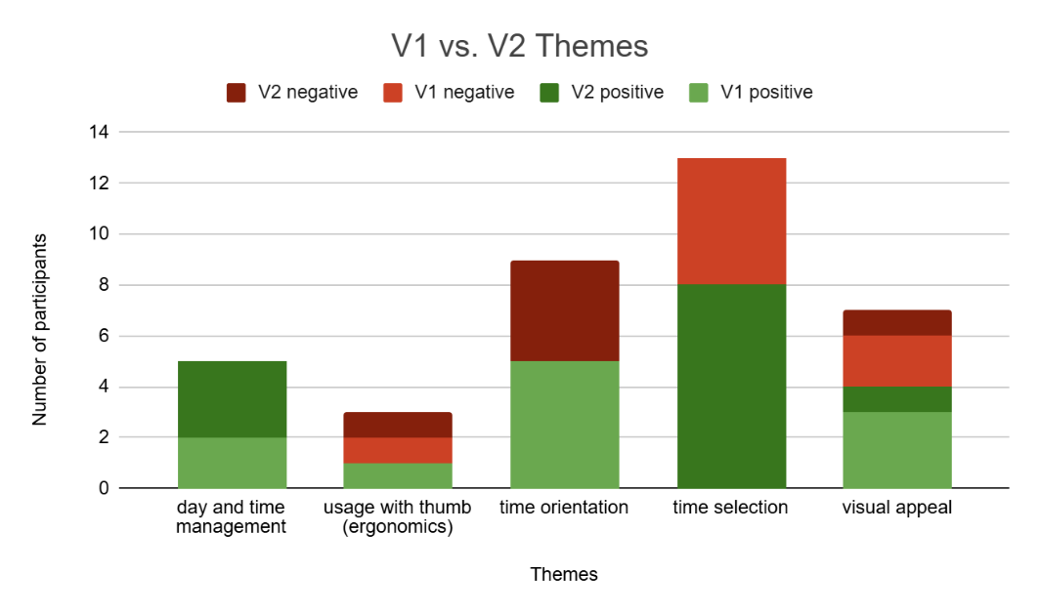
Themes and Codes |  | Code Groups | Quotations | v1+ | v2+ | V1- | v2-
○ day and time management |  |  |  | 2 | 3 | 0 | 0
day and time management | ○ combined view preferred for time and day control (V1) | V1 | P8: yeah so this I like this one more because like the navigation like the two scales are combined to the temporal one like with the date and the hours, so it's better, even faster, I would say, because I don’t need to interact with two different scales. P10: So I feel very strange that we have two dimensions for time now. P10: But maybe one advantage of this interface is that I can go through day and keep the same time, you know, but usually it's not so important. you know, like to say, okay, at 10.45 exactly what is now tomorrow and what is the day after. You know, we are not that precise, actually, on a festival | 2 | 0 | 0 | 0
day and time management | ○ preference for separate time and day control (V2) | V2 | P1: I think having a separate line for the time is a better idea. P1: I think this would be very useful having separate lines for the time. P4: But I would say this one because I prefer like the just choose the day and it's just for options. So it's really easy and then the slider is more comfortable in this way. P4: Yeah, if this was easier to choose the time, less sensitive, then maybe it would be better, but it's true that to go from Thursday to Sunday, a kind of bigger effort, even though it's still easy, but I like that you can just say you have the four days at the same time in the latest version and you don't have to move you can just go from one to another so I prefer this P7: Because I want to have the like the division between day and time. I don't like that I when I scroll one, I can I scroll the other one too. P7: I mean, my first impression is actually that I liked the interaction of the first map better because I could change the day and then I could move up any time, but I would always stay on that day. Here if I go for example to like late Saturday, let's say I want to go to a late concert on Saturday, then I want to look and suddenly I'm already on Sunday, so I'm kind of missing that there's no limit for the day. | 0 | 3 | 0 | 0
○ usage with thumb (ergonomics) |  |  |  | 1 | 0 | 1 | 1
ergonomics | ○ better ergonomics (V1) | V1 | P10: Also, I think it's quite precise to use the thumb. It works quite well actually. And I don't have to, I will show you here, I don't have to use my thumb going up P10: I don't really know. I tend to prefer this solution because I feel like it's easier to use with my thumb. | 1 | 0 | 0 | 0
ergonomics | ○ thumb obstruction on label (V2) | V2 | P2: And somehow, my hand covers the, my finger covers the time too. So if the time could be on the left side than above, because when I press on the slider, my finger covers the time. | 0 | 0 | 0 | 1
ergonomics | ○ thumb occlusion problem (V1) | V1 | P7: I think one reason right now I just had this thought why I don't like the navigation integrated in the day thing because my thumb is there all the time And I don't like I don't see on which date day I am or in which time sometimes because my thumb is exactly in this area. | 0 | 0 | 1
○ time orientation |  |  |  | 5 | 0 | 0 | 4
time orientation | ○ intuitive time orientation (V1) | V1 | P1: I would think about putting this line on the top of these days maybe a little bit shorter line but but this one is also fine. P8: And also, I think that the hours when I'm navigating, like the hours that are below the name of the day week are not needed since it's very intuitive. Since the beginning of when I started navigating, I knew that I'm going from the earliest day to the latest one, but just by navigating left and right, moving my finger. So it's very intuitive P8: And this one, I like much more because of how it looks like. So this is already like the first thing I'm looking at how it looks like. And then I'm looking at like, okay, what's like the, you know, intuitiveness of those two. And the second one, this one that I'm having right now with like, the navigation combined together, this is much more intuitive. P5: I prefer to follow the day and time linearly, from left to right. It’s more intuitive for me. P4: Okay. I mean, I think I would still... Yeah, if this was easier to choose the time, less sensitive, then maybe it would be better (...) P3: I'm wondering if it's easier to still put the timeline at the bottom, but then add like parts on your slide. So instead of a circle side or instead of a vertical slide, it's a horizontal slide. P3: But in terms of visualizing or understanding how time flows, the horizontal slider is easier to understand | 5 | 0 | 0 | 0
time orientation | ○ unintuitive time orientation (V2) | V2 | P3: I guess it is easier. I'm just thinking how, how the time goes from top to bottom or bottom to top, but top to bottom makes sense. It's weird. Cause it's like, we're so used to seeing time in a circle. So in terms of reading, it's weird that I'm reading like this. It's like, Oh, top to bottom for time. P4: first thing I open with the slider the vertical one on the right side I I don't know why but I assume that the day would start at the bottom and if I went up it would be later and not earlier like the other way around that's I don't know my mind. I move it once and then I realize oh okay it's the other way around. so it's intuitive but my mind went the other way I don't know why but it's just the first thought you know that came to my mind P5: I'm not sure if I would like to manage the time vertically. P10: So first thing that appeared to me, that was a little weird, is that the scale here, the timeline goes from zero on top to so. it goes from top to bottom. I would have preferred to have bottom to top especially when you start with zero. zero is lower than one and so on and so forth. so I would imagine the other way around. for this this is quite uh understandable for the bottom part | 0 | 0 | 0 | 4
○ time selection |  |  |  | 0 | 8 | 5 | 0
time selection | ○ easier time selection (V2) | V2 | P3: I like that it's got me excited that the timeline is easier to scroll in this sense because I guess this movement compared to this up and down movement it's easier P3: But the actual interaction part, like the actual functionality of being specific and I'm stopping at 8.45 or I'm stopping at 13.30. this(V2) is more specific. It's easier to control with my finger than the original slider. P4: I think this one, this second version with the two axes is easier to choose like one exact time. P5: I would still pick the second one because it gives you a wider range of time. It's easier to pick the exact time, so I would pick the second one. P8: The other navigation that was on the right side before, it was easier, definitely, to navigate and find a particular hour that I wanted. P1: I think this is easier to control because in the first one it was quite hard to control the exact time P2: I think this slider is a bit more usable than the other one. P2: But the slider is more usable than the other one. | 0 | 6 | 0 | 0
time selection | ○ harder to select time (V1) | V1 | P3: it's actually very hard to dial to a specific quarter of the time. Like I will always like, if I want to aim for that 20.15, then I like go to 12, and it's like, okay, I need to slow down my thumb to make sure it has 20.15, otherwise easily scroll past. P4: I feel like the other one was more sensitive in the way of the same amount of time is in a less like in a shorter space like in this slider. So it was harder like you move just a little bit of the slider and then like a longer time is gone. Like to choose the time. P7: And I also have the feeling maybe that's like for me, it's also very sensitive. So I, for example, I want to go to 10, but I just moved it a little bit and I'm already like two hours in front. So it moves like very sensitive, which makes it difficult to pick a certain time. P8: However, this one here, when I'm navigating, it's very difficult, as I mentioned before, to really center on the exact hour, because usually, just like by slow interactions, like when I move my finger very tiny bit, sometimes there is like a difference already of like half an hour, and it's very difficult to center it. P2: It's very difficult to just stay on the… So if it's possible to actually select a specific time because the scrolling is a bit difficult to stick at a specific time. P2: The sliding is the problem. | 0 | 0 | 5 | 0
time selection | ○ preferred button day selection (V2) | V2 | P7: I think I would still use the other one because I really like that I press on the date and then I have the date. Okay. This is I think the better. Yeah. For me, I think it's more. I like it more. P2: "So with this, you know which day that you're actually on" | 0 | 2 | 0 | 0
○ visual appeal |  |  |  | 3 | 1 | 2 | 1
visual appeal | ○ more compact (V1) | V1 | P10: I don't have too much information. I don't have two bars that I need to scroll. | 1 | 0 | 0 | 0
visual appeal | ○ takes less space (V1) | V1 | P10: Yes, because it takes less space, you know people and I are used to either you have a map or you have a timeline. | 1 | 0 | 0 | 0
visual appeal | ○ too much information in one look (V1) | V1 | P9: Because this(v1) one, it will be too much information in one look. | 0 | 0 | 1 | 0
visual appeal | ○ unintuitive navigation design (V1) | V1 | P7: Okay, so yeah, this is like harder to navigate because the hours on and the button, I cannot really associate them with the number on top. So it's a bit like it's a kind of double thing. And it's I don't have the feeling that it's like straight line. So it's a bit not that intuitive to move it | 0 | 0 | 1 | 0
visual appeal | ○ visually less pleasing (V2) | V2 | P7: It's not like when I have the separate it makes the design, I would say worse. Like just when I look at the design, it makes it look worse. But maybe it's just because of the how it was made. | 0 | 0 | 0 | 1
visual appeal | ○ visually more pleasing (V2) | V2 | P9: And also, I think it's like for the visual part, I think that one is better (v2). | 0 | 1 | 0 | 0
visual appeal | ○ visually pleasing (V1) | V1 | P3: I'll just look around and see if there are any questions that shows up. I really like the design of the look of the app. P8: And this one, I like much more because of how it looks like. So this is already like the first thing I'm looking at how it looks like. And then I'm looking at like, okay, what's like the, you know, intuitiveness of those two. And the second one, this one that I'm having right now with like, the navigation combined together, this is much more intuitive. | 2 | 0 | 0 | 0

Prototype vs separate view
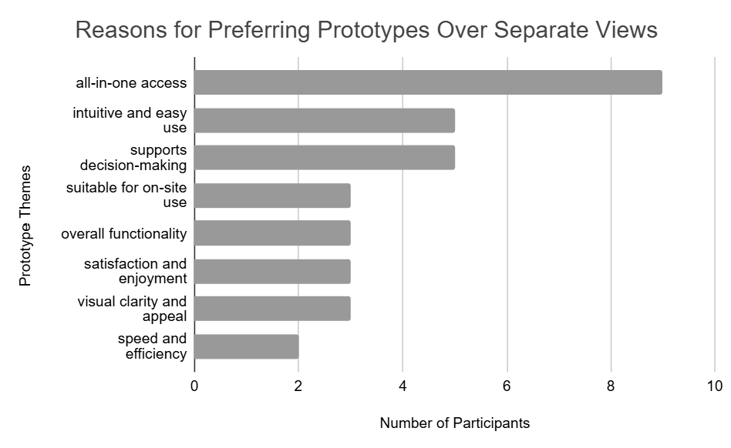


Themes and Codes |  | Code Groups | Quotations | Participant counts
○ issues and suggestions |  |  |  | 2
day and time management | ○ circle timer direction confusion (prototype versions) | Prototype versions | P8: And I think for me, it's like more intuitive would be the other way around, that the dark one is actually the time that passed already. But anyway, it's understandable.
day and time management | ○ Limited full-day visibility (prototype versions) | Prototype versions | P6: When I look at this map, the only thing I am thinking about is, like, how can I compare, like, different days and different times? Because... it's only possible to see one day and one time. Like, I cannot even look at the Thursday's map and see the whole schedule from 9 a.m. to 8 p.m. or 11 p.m., whatever, you know? Like, maybe if I want to like plan my day, if this is the purpose also, I'm not sure.
 | ○ unnoticed search button (prototype versions) | Prototype versions | P8: I'm trying to find where is it. Yes and there's a search button on the top. Actually yes I didn't notice the search button because I focused too much on the timelines like at the bottom of the map and on the right side.
○ suitable for on-site use |  |  |  | 3
ergonomics | ○ designed for on-site use (prototype versions) | Prototype versions | P5: But this (the map with the schedule) is something that you would use at the moment.
ergonomics | ○ more suitable for real festival usage (prototype versions) | Prototype versions | P3: It's a really big advantage for it to be location enabled. Like to be able to be like I'm here, this is what's next to me. For somebody to get lost easily, especially in the place that I don't know, especially for festival, that's really helpful.
ergonomics | ○ preferred for on-the-go use (prototype versions) | Prototype versions | P3: I'll do the app for sure, for like, especially when I'm walking around for quick things.
 | ○ usable for discovering around (prototype versions) | Prototype versions | P4: right if you just move it like the slider select the time or which day and you can see what's going on at the time.
○ Intuitive and easy use |  |  |  | 5
time orientation | ○ easier to use (prototype versions) | Prototype versions | P3: Okay, I definitely personally like the one with the map better, because then we are map people, like it's easier to navigate. It's easier to navigate where you know exactly where you are, and then to know the nearest stage, and then to be able to like P4: I would say and easy to use easy to understand very straightforward as well P8: However, still uncomfortable to switch from the map to the schedule. And with the version, with this timeline embedded and also the days on the map, it was definitely much easier to do it. P1: It's easier. P1: Yeah, I think in the integrated one, it was easier to find some informations because it was much more clean and much more easier to control.
time orientation | ○ easy and smooth interaction (prototype versions) | Prototype versions | P4: So I like that it's very smooth and like fast
 | ○ easy to understand (prototype versions) | Prototype versions | "P3: And it's really straightforward. It's really clear where things are and like interactiveness of that. P4: I would say and easy to use easy to understand very straightforward as well P1: Also it was more understandable.
 | ○ intuitive time symbology (prototype versions) | Prototype versions | P10: for me it was quite clear from the beginning the circles represent the remaining time on the stage and also because we see that it's completing and going out again we understand that uh this represents time.
 | ○ more intuitive (prototype versions) | Prototype versions | P8: But overall, I think it's, I really like it, how it's done and it's intuitive and easy to use. And I think that's the most important when I'm at the festival and trying to find stages and so on. And everything is compact in one place that I don't have to switch between PDF and so on, as I did before. So I think overall the experience is good, very good.
○ all-in-one access |  |  |  | 9
time selection | ○ everything in one place (prototype versions) | Prototype versions | P3: and then to be able to like, you know, quickly see a time on the bottom to scroll that. P3: But if you need very comprehensive information like combining the location, the performers, and the time, then the app is easier to have that overview P3: And to be able to integrate with that with the timetable at the bottom. It's, yeah, it's really helpful to really combine that factor so that I can immediately check, okay, I'm here. And then based on the timeline at this time on this day, this is what is playing at that area. P4: It was all integrated, so it was just faster to look for it. P5: I would 100% take the first map. It's because, maybe, it’s easier for me, but I would definitely, even for names of the stage, go back to the PDF to find who was playing or not. Here, I can also see the distances, everything altogether. P5: But I can already see the stages, so being able to write the name of my performers here to see when and where they are performing directly is the best thing that comes to my mind from this map P7: Yeah, well, if I'm already in the festival, then I think I would use the map, definitely, because I do not lose anything towards the PDF because also in the map, I can use the map with the integrated schedule the same way I can use the PDF just by the search function P8: I mean it was definitely much more intuitive to have everything in one place, so everything in because I don't need to switch from one PDF to map and check the names of the stages P9: So I think this the with the time slot, the integration one is quite nice. because I'm like also is more direct P10: I tend to prefer when everything is on one, when I don't have to switch pages, definitely. That's for sure. P1: So it's much more easier to use it in the same page for me. P2: But with that, now you are able to search for the, whether you know the stage or you know the axis, you can search for that. And it automatically takes you to the stage that you are
time selection | ○ provides spatial overview (prototype versions) | Prototype versions | P7: Then the overview, the spatial overview, where are the stages? How are they located towards each other? How far do I have to go from one stage to the other? Also advantage of the map
time selection | ○ Search informs time and location directly (prototype versions) | Prototype versions | P5: But I can already see the stages, so being able to write the name of my performers here to see when and where they are performing directly is the best thing that comes to my mind from this map P7: Yeah, so first of all, like first advantage, it has the schedule via the search function. So I can, if I know the artist that I wanna go to, I can type it and it will tell me where and when. P8: Oh yes I'm coming back to WhatsApp, checking again the spelling, re-typing the name of the band which is pretty nice because I already see the recommended names so it makes it much easier and yeah okay I got navigated directly to the stage, and the time and the day when and where the artist plays. So that's nice actually. I didn't expect that at all but it yeah doesn't require any further interaction so it's yeah quite nice
○ supports decision-making |  |  |  | 5
visual appeal | ○ helpful for decision-making (prototype versions) | Prototype versions | P3: So it helps with decision making, I think in the sense, knowing how complete the performance is.
visual appeal | ○ Supports spontaneous decision-making (prototype versions) | Prototype versions | P5: Also, when I'm at the moment in the map, like live, it shows me the live performances. So whenever I want to, I can say I'm having dinner right now, and I don't know what I will do next. If I haven't planned something, I can directly come here to see the moment I'm in and pick any performer directly from here. I can see the time left, etc., and I can see the upcoming hour directly. It’s good to see the time left for the performance in a visual instead of text. P7: Yeah, I think so. Because it's just a quicker search. So if someone has an idea, and just quickly wants to check if this feasible, I think for spontaneous use, this is good, yeah, or better. P9: Like not really interesting any specific bands or singers, but I have time on like from 12 to 14. So I can just go and check from 12 to 14. When there are some bands there, I can just go for it. P10: Also, the way I'm behaving usually at those festivals, usually I don't really know who I want to see. And I'm more like getting opportunities. Sometimes I can be like, OK, now I can actually see this guy because he's playing. And let's go there, and then let's go there. So I really tend to prefer this integration of the map. I don't want to plan my schedule before, and to make sure I can go everywhere, and so on. I really tend to prefer to go on it spontaneously.
○ speed and efficiency |  |  |  | 2
visual appeal | ○ integrated view faster (prototype versions) | Prototype versions | P4: so it was just faster to look for it P8: Well, the advantages that it takes, definitely the main one is that it takes less time to find the the artist when the artist is playing and where. So that's that's the biggest advantage.
○ overall functionality |  |  |  | 3
visual appeal | ○ more efficient (prototype versions) | Prototype versions | P8: It takes less time, it's more efficient and it's, let's say, less less annoying
visual appeal | ○ more functional (prototype versions) | Prototype versions | P3: this is like really smooth um and looks great and it's really like super functional
 | ○ more useful (prototype versions) |  | P6: The second one(linked view) is not good in general at all like there is nothing good about it actually sorry but the first one is I think kind of interesting and useful.
 | ○ quick access to information (prototype versions) |  | P3: It's and then being able to show, like I said before, like the labels of the performers are very clear. So that's like really quickly, yeah, very, very easy to be able to get that information.
○ satisfaction and enjoyment |  |  |  | 3
visual appeal | ○ more interesting (prototype versions) | Prototype versions | P6: The second one(linked view) is not good in general at all like there is nothing good about it actually sorry but the first one is I think kind of interesting and useful.
visual appeal | ○ more satisfying experience (prototype versions) | Prototype versions | P4: So it made, I think, more satisfying like experience better
 | ○ strong preference over traditional formats (prototype versions) | Prototype versions | P3: I really like this app like it's really helpful very functional um I wish all the festivals have this kind of thing instead of you know the usual paper that they send out to people or pdf um this is way easier to navigate way easier to search for things
○ visual clarity and appeal |  |  |  | 3
 | ○ shows remaining time visually (prototype versions) | Prototype versions | P4: Yes. I really like the idea of the design and how the circles like yeah how they remove with the time and you can see how much is left from one concert. P7: Then advantage of the map that I see like with my eyes how much of the concert has already passed, I think. Because yeah, this is somehow a bit more, I think, yeah, maybe like impressive. Seeing that already, for example, half of the concert is gone.
 | ○ more visually pleasing (prototype versions) | Prototype versions | P3: this is like really smooth um and looks great and it's really like super functional

